Visualization Considerations
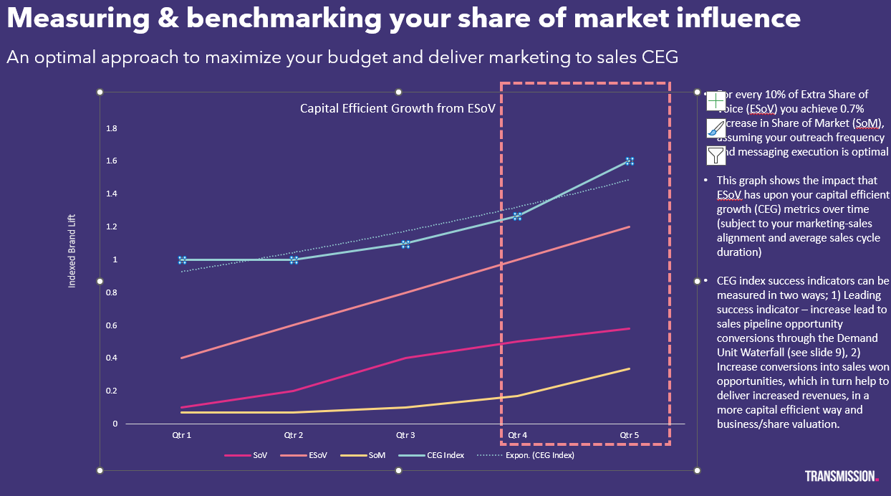
Date | Month | Quarter | ProjectID | Keyword | Company_Name

